Monthly MWh
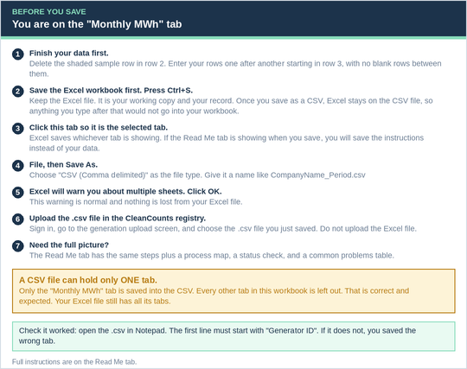
Generator ID | Generator Name | Vintage | Vintage Start Date | Vintage End Date | Total MWh
M1234 | SAMPLE ROW - DELETE THIS ROW | Oct-20 | 10/1/20 | 10/31/20 | 178.9

Hourly kWh
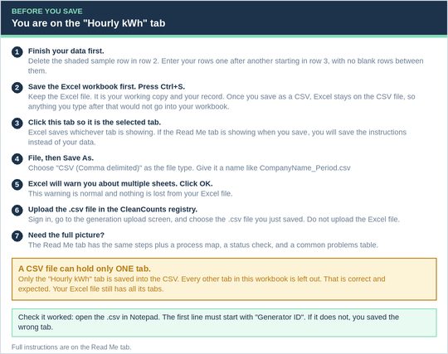
Generator ID | Generator Name | Date | HE | Total kWh | Peak
M1234 | SAMPLE ROW - DELETE THIS ROW | 11/1/19 | 1 | 50310 | no

Adjustments

Generator ID | Generator Name | Vintage | Vintage Start Date | Vintage End Date | Corrected Total MWh | Record Type
M1234 | SAMPLE ROW - DELETE THIS ROW | 10/1/23 | 10/1/23 | 10/31/23 | 1234 | adjustment

